Test Types
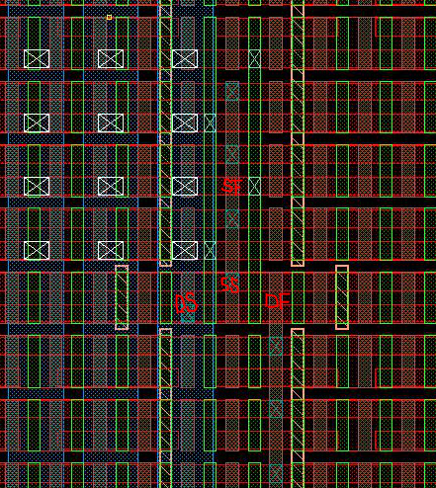
Test Type | Test Config | Test Name Output | Terminal
 |  |  | G | DF | DS | SF / SF_BS | SS / SS_BS
KEY_LOGIC_SUITE | KEY_LOGIC_DEFECT
 | KEY_LOGIC_LINEAR
 | KEY_LOGIC_0.5V
 | KEY_LOGIC_0.65V
 | KEY_LOGIC_1.1V
 | KEY_LOGIC_ID_VGOD
 | KEY_LOGIC_BETA
 | KEY_LOGIC_GM_RO
AUTOBIAS | AUTOBIAS_VGNA
 | AUTOBIAS_0.5V
 | AUTOBIAS_0.65V
 | AUTOBIAS_1.1V
KEY_LOGIC_TOPEX | KEY_LOGIC_TOPEX

 |  |  | G1F/G2 | DF/SF_BS
MLR_CAP_2PT | COV_2PT | COV_0.5G | CMH | CML
 | CGT_2PT | CGT_<FORCE>G | CMH | CML
MLR_CAP_NOCOV_2PT | CGT_2PT | CGT_<FORCE>G | CMH | CML
MLR_LKG_2PT | IG_D | IG_D_<FORCE>G | VFIM=<FORCE> | VF=0V
 | LD_G | LD_G_<FORCE>D | VF=0V | VFIM=<FORCE>
IG_PRE_2PT | IG_PRE_2PT | IG_<FORCE>G_PRE | VFIM=1.5V | VF=0V
VBD_2PT | VBD_2PT | VBD | VFIM=1.5V .. 10V | VF=0V
IG_POST_2PT | IG_POST_2PT | IG_<FORCE>G_POST | VFIM=1.5V | VF=0V
MLR_WF_2PT | varactor algorithm stakeholder |  | CMH | CML

 |  |  | G1F/G2 | DF | SF_BS
MLR_CAP_3PT | COV_3PT | COV_0.5G | CMH | CML | CML
 | CGT_3PT | CGT_<FORCE>G | CMH | CML | CML
 | COV_FD | COV_GD_<FORCE>G | CMH | Float | CML | New
 | COV_FS | COV_GS_<FORCE>G | CMH | CML | Float | New
 | COV_GD | COV_GD_<FORCE>G | CMH | GND | CML
 | COV_GS | COV_GS_<FORCE>G | CMH | CML | GND
MLR_CAP_NOCOV_3PT | CGT_3PT | CGT_<FORCE>G | CMH | CML | CML
MLR_LKG_3PT | IG_DS_3PT | IG_DS_<FORCE>G | VFIM=<FORCE> | VF=0V | VF=0V
 | IG_D_2PT | IG_D_<FORCE>G | VFIM=<FORCE> | VF=0V | Float | New
 | IG_S_2PT | IG_S_<FORCE>G | VFIM=<FORCE> | Float | VF=0V | New
 | LD_G_3PT | LD_<FORCE>D LS_<FORCE>D LG_<FORCE>D | VFIM=0V | VFIM=<FORCE> | VFIM=0V
IG_PRE_3PT | IG_PRE_3PT | IG_<FORCE>G_PRE | VFIM=1.5V | VF=0V | VF=0V
VBD_3PT | VBD_3PT | VBD | VFIM=1.5V .. 10V | VF=0V | VF=0V
IG_POST_3PT | IG_POST_3PT | IG_<FORCE>G_POST | VFIM=1.5V | VF=0V | VF=0V

 |  |  | HI/HI2/combHI/combHI_BS/ogdHIK | LO/LO2/combLO/combLO_BS/ogdLO
R2 | R2 | R2_<FORCE>V | VFIM=<FORCE> | VF=0V

 |  |  | HI/HI2/pgdLO/ogdLOK | LO/LO2/ogdLO | IHI/IHI2/pgdHI/ogdHIK | ILO/ILO2/ogdHI
R4 | R4 | R4_<ABS(FORCE)>A | HIZ (Hi) | HIZ (Lo) | IFVM=<FORCE> | VFIM=0V

 |  |  | ogdLO | ogdHI | pgdLO | pgdHI | ogdHIK | ogdLOK
R6_R2 | R2_TV | R2_TV_<FORCE>V | VFIM=<FORCE> |  | VF=0V |  |  |  | New
 | R2_BV | R2_BV_<FORCE>V |  |  |  | VF=0V | VFIM=<FORCE> |  | New
 | R2_TM | R2_TM_<FORCE>V | VFIM=<FORCE> |  |  |  |  | VF=0V | New
 | R2_RM | R2_RM_<FORCE>V |  |  | VF=0V | VFIM=<FORCE> |  |  | New
 | R2_BM | R2_BM_<FORCE>V |  | VF=0V |  |  | VFIM=<FORCE> |  | New
R6_R4 | R4_TV | R4_TV_<ABS(FORCE)>A | IFVM=<FORCE> |  | VFIM=0V | HIZ (Lo) |  | HIZ (Hi) | New
 | R4_BV | R4_BV_<ABS(FORCE)>A |  | HIZ (Hi) | HIZ (Lo) | VFIM=0V | IFVM=<FORCE> |  | New

 |  |  | HI | LO | GT
R2_GATE | R2_GATE | R2_<FORCE>V/0.65G | VFIM=<FORCE> | VF=0V | VF=-0.65V

 |  |  | HI/combHI/combHI_BS | LO/combLO/combLO_BS
I2 | I2 | I2_<FORCE>V | VFIM=<FORCE> | VF=0V

 |  |  | HI | LO | CMBHI | CMBLO | TOP | BOT
SRP_CAP | C_ALL | C_ALL_<ABS(FORCE)>V | CMH | CMH | CML | CML | CML | CML
 | C_BOT | C_BOT_<ABS(FORCE)>V | CMH | CMH | GND | GND | GND | CML
 | C_COMB | C_COMB_<ABS(FORCE)>V | CMH | CMH | CML | CML | GND | GND
 | C_COMBHI | C_COMBHI_<ABS(FORCE)>V | CMH | CMH | CML | GND | GND | GND
 | C_COMBLO | C_COMBLO_<ABS(FORCE)>V | CMH | CMH | GND | CML | GND | GND
 | C_TOP | C_TOP_<ABS(FORCE)>V | CMH | CMH | GND | GND | CML | GND
SRP_LKG | I2_ALL | I2_ALL_<ABS(FORCE)>V | VFIM=<FORCE> |  | GND | GND | GND | GND
 | I2_BOT | I2_BOT_<ABS(FORCE)>V | VFIM=<FORCE> |  |  |  |  | GND
 | I2_COMB | I2_COMB_<ABS(FORCE)>V | VFIM=<FORCE> |  | GND | GND
 | I2_COMBHI | I2_COMBHI_<ABS(FORCE)>V | VFIM=<FORCE> |  | GND
 | I2_COMBLO | I2_COMBLO_<ABS(FORCE)>V | VFIM=<FORCE> |  |  | GND
 | I2_TOP | I2_TOP_<ABS(FORCE)>V | VFIM=<FORCE> |  |  |  | GND
 | I2_TOP_BOT | I2_TOP_BOT_<ABS(FORCE)>V |  |  |  |  | VFIM=<FORCE> | GND
SRP_RES | R2 | R2_<FORCE>V | VFIM=<FORCE> | VF=0V

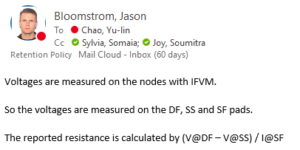
 |  |  | DF | DS | SS/SS_BS | SF/SF_BS | GATE
KTCN_0.65V | KTCN_0.65V | R_<FORCE>A_0.65V | IFVM=0A | VF=0V | IFVM=0A | IFVM=<FORCE>A | VF=0.65V
KTCN_1.1V | KTCN_1.1V | R_<FORCE>A_1.1V | IFVM=0A | VF=0V | IFVM=0A | IFVM=<FORCE>A | VF=1.1V

